Sheet1
 | 8.5.2.22 QUALITY SPECS AND TESTING QM

Created By: Megan Rumble |  |  | Created On: 9/6/16 |  | Revised By: B. Trafananko |  | Revised On: 12/20/16
Approved By: Becky Trafananko
DEFECT |  | TECHNOLOGY |  | "A" SURFACE | "B"SURFACE | "C"SURFACE |  | "D"SURFACE
Defects With NO Color Variation (Defects covered by decals & skirts may be of any size & count as long as they are not visible and do not pose a problem to assembly or function |  | Paint & Plastic |  | Accept: A) 3 defects or less on a side which measure up to and including 1.5mm. B) One occurrence on a side which measures up to 2.0mm. Reject : Any defect larger than 2.0mm | Accept: A) 5 defects or less on a side which measure up to and including 1.5mm. B) One occurrence on a side which measures up to and including 2.5mm. Reject: Any defect larger than 2.5mm | Accept: A) 5 defects or less on a side which measure up to and including 2.0mm. B) One occurrence on a side which measures up to 3.0mm. Reject: Any defect larger than 3.0mm |  | Surface must pass test of form, fit, and function
Defects Which Contain Light or Dark Color Variations (Defects covered by decals & skirts may be of any size & count as long as they are not visible and do not pose a problem to assembly or function.) |  | Paint & Plastic |  | Accept: A) 3 defects or less on a side which measure up to and including 0.8mm B) One occurrence on a side which measures up to and including 1.0mm Reject : Any defect larger than 1.0mm | Accept: A) 5 defects or less on a side which measure up to and including 0.8mm. B) One occurrence on a side which measures up to and including 1.5mm. Reject: Any defect larger than 1.5mm | Accept: A) 5 defects or less on a side which measure up to and including 1.0mm. B) One occurrence on a side which measures up to 2.0mm. Reject: Any defect larger than 2.0mm |  | Surface must pass test of form, fit, and function * Note: Any defect regardless of size that goes through the entire paint film exposing the substrate underneath is only allowed on a D surface.
Light Paint |  | Paint |  | Not Acceptable | Not Acceptable | Permitted in recessed areas only, provided that the paint film is complete and coverage is uniform. No mottling allowed |  | Surface must pass test of form, fit, and function.
Runs / Sags Note: Runs & sags of any size will NOT be allowed if the leading edge of the defect contains uncured paint or paint that can be removed easily from the substrate. |  | Paint |  | Not Acceptable | Reject if any one of the following conditions exists: A) Size exceeds 10 mm x 5 mm in either direction. B) Run causes a color variation. | Reject if any ONE of the following conditions exists: A) Size exceeds 25 mm x 5 mm in either direction. B) Run causes a color variation. |  | Surface must pass test of form, fit, and function.
Chipping |  | Paint |  | Not Acceptable | Not Acceptable | A) Not acceptable on exposed surfaces. B) Accept: Up to 3 chips, which measure up to 3.0mm on interior surfaces |  | Surface must pass test of form, fit, and function.
Sanding / Buffing Marks and Finesse Burns |  | Paint |  | Not Acceptable | Not Acceptable | Not Acceptable if marks can be felt with the finger, style lines are interrupted, or if the eye detects a wavy condition on a casting surface |  | Surface must pass test of form, fit, and function.
TESTING REQUIREMENTS |  |  |  |  | 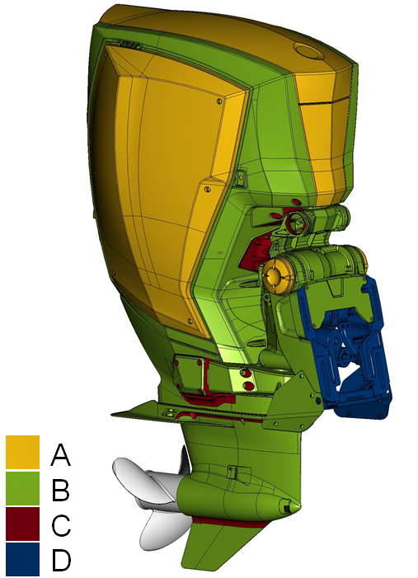 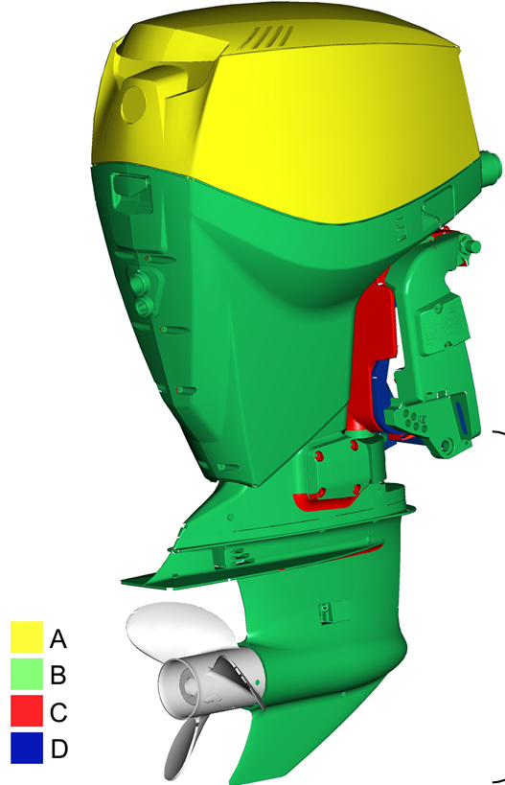
TEST | FREQUENCY |  |  | METHOD /EQUIPMENT
Visual Inspection | Every part |  |  | Visual
Warping | Every part (V4&V6 Hoods Only) |  |  | Verify on Checking Fixture
Film Build | 1 part from every colour run, 3 readings per part |  |  | BYKO -CUT
Solvent Rub | 1 part from every colour run |  |  | Xylene/ cheese cloth rub
Tape Adhesion A | 1 part from every colour run |  |  | cross hatch tool/tape
Tape Adhesion B | 1 part from every colour run |  |  | knife/tape
Colour Verification | 3 Parts from every colour run. FIRST, MIDDLE AND LAST |  |  | X-Rite Machine
Gloss | 1 part from every colour run. 3 readings per part |  |  | Gloss Meter

